COPYRIGHT
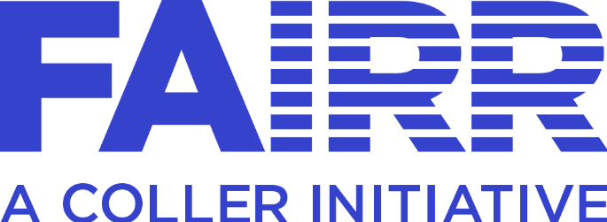

All material presented in this document is represented by relevant trademark and copyright laws and registered to the Jeremy Coller Foundation & FAIRR Initiative. Expressed written consent is required for any reference or duplication of any written content or proprietary graphics and/or images used herein.
The FAIRR Initiative and the FAIRR Logo are registered trademarks across multiple jurisdictions under Jeremy Coller Foundation/ FAIRR Initiative
©FAIRR Initiative 2020 ™FAIRR
All Rights Reserved.

RANKING
Pandemic Ranking
Company Name | FAIRR Pandemic Ranking
Cal-Maine Foods | 5
Venky's | 6
Bachoco | 6
Shunxin Agriculture | 7
Sunner | 8
Wens | 8
AACo | 8
Cherkizovo | 8
Fucheng | 9
Chuying | 9
Nissui | 9
Grupo Bafar | 10
Thaifoods | 10
San Miguel | 11
Prima Ham | 11
COFCO Meat | 11
Japfa | 11
Bell Food Group | 11
Inghams | 12
Modern Dairy | 12
QAF | 12
QL Resources | 12
Sanyuan | 13
Seaboard | 14
New Hope | 14
Great Wall | 15
NH Foods | 15
Yili | 15
RCL Foods | 15
Almarai | 16
Sanderson Farms | 17
LDC | 18
Muyuan | 19
Astral | 20
Vinamilk | 21
Grupo Nutresa | 24
Scandi Standard | 24
MHP | 25
Minerva | 26
Mengniu | 26
JBS | 28
GFPT | 29
Thai Union | 30
WH Group | 30
Hormel | 33
Maple Leaf | 34
BRF | 36
AquaChile | 36
CPF | 36
Salmones Camanchaca | 38
Marfrig | 39
Cranswick | 39
SalMar | 45
Tyson | 46
Tassal | 49
Grieg Seafood | 51
Fonterra | 56
Lerøy | 57
Bakkafrost | 57
Mowi | 59

